16.01.2026
Készlet 16.01.2026
Kép | Cikkszám | Megnevezés | Nettó Nk ár | Jav Fogy ár | Stock
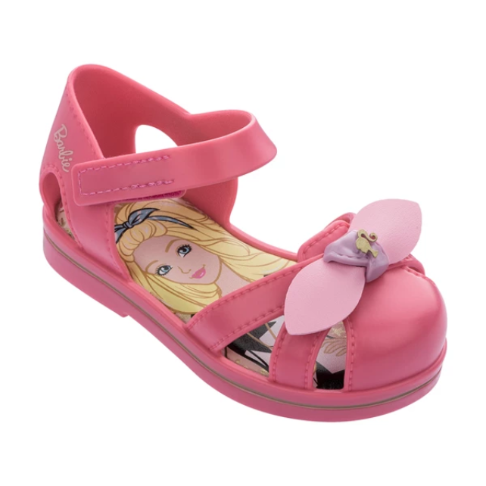 | 22353-50485 | IPANEMA BARBIE GLOSS | 5,829 Ft | 13,990 Ft | 48
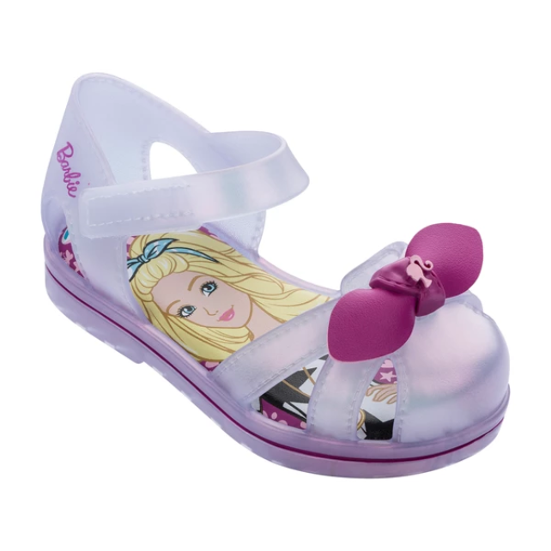 | 22353-53575 | IPANEMA BARBIE GLOSS | 5,829 Ft | 13,990 Ft | 36
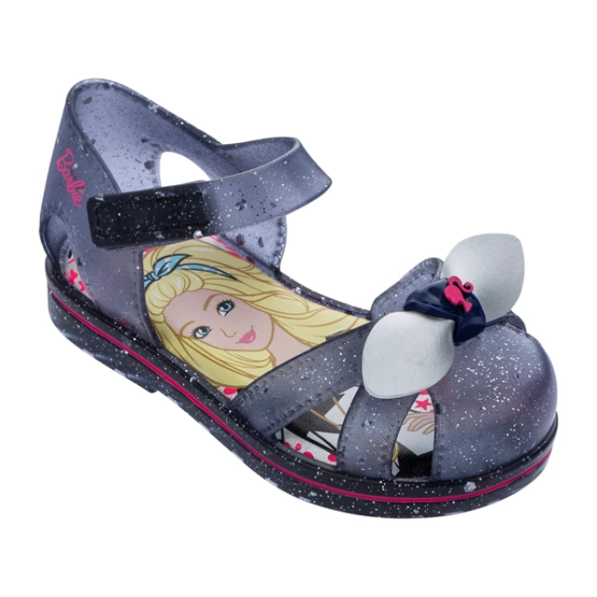 | 22353-53837 | IPANEMA BARBIE GLOSS | 5,829 Ft | 13,990 Ft | 46
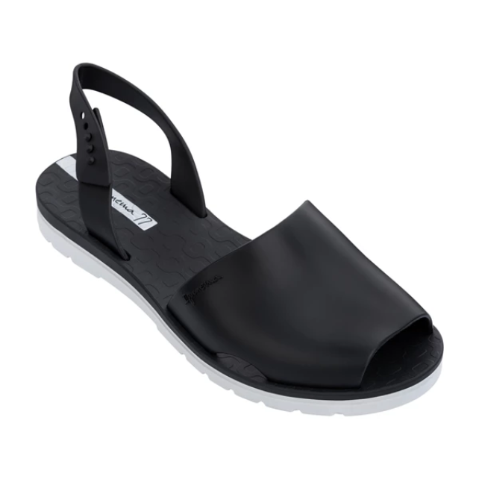 | 26415-21364 | IPANEMA BARCELONA I | 7,079 Ft | 16,990 Ft | 18
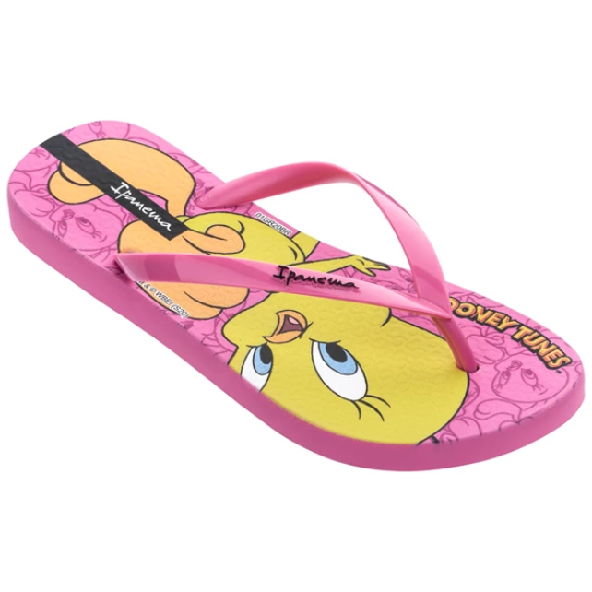 | 26433-23609 | IPANEMA LOONEY TUNES | 3,329 Ft | 7,990 Ft | 12
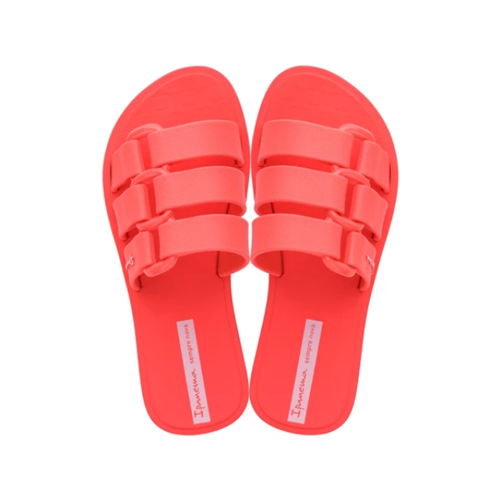 | 26520-21310 | IPANEMA BOLD KIDS | 2,913 Ft | 6,991 Ft | 12
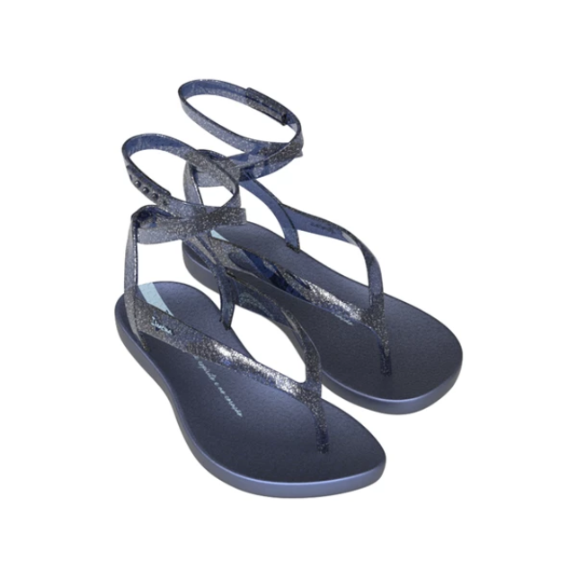 | 26533-24720 | IPANEMA RENOVA SANDA | 4,163 Ft | 9,991 Ft | 36
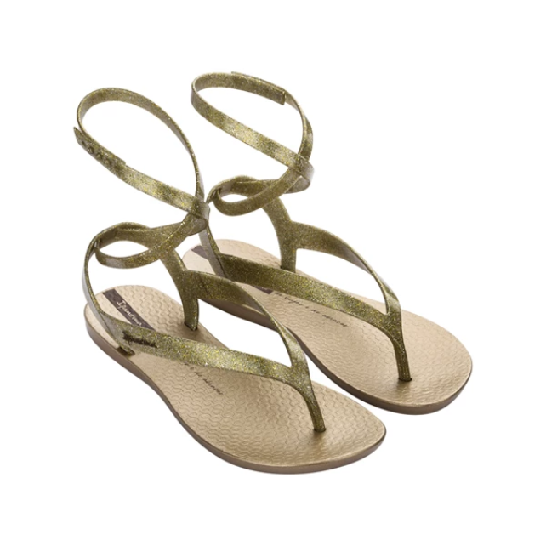 | 26533-25755 | IPANEMA RENOVA SANDA | 4,163 Ft | 9,991 Ft | 12
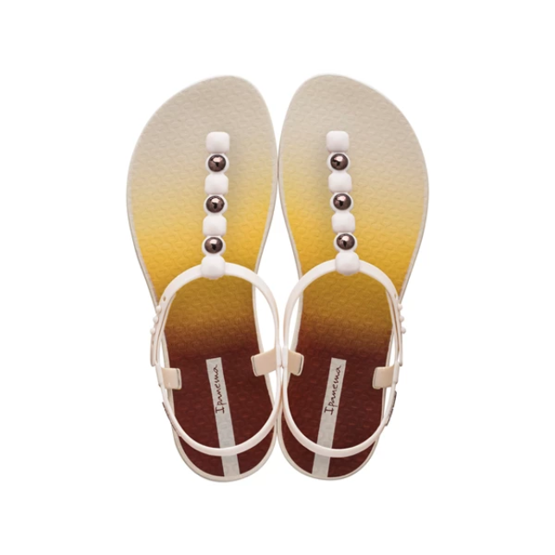 | 26582-21080 | IPANEMA CLASS COLORS | 4,163 Ft | 9,991 Ft | 12
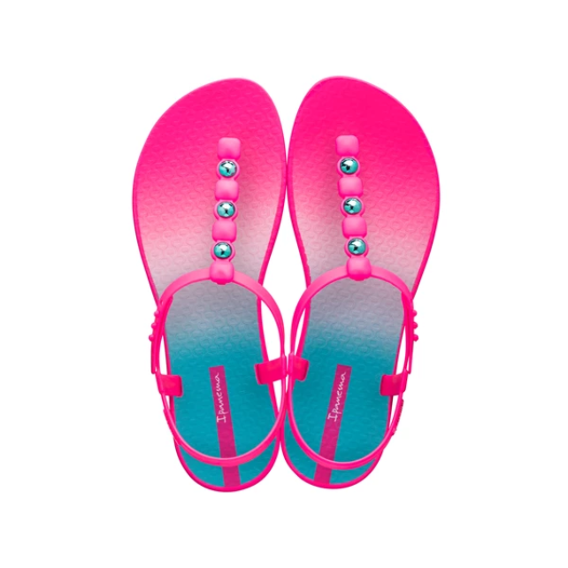 | 26582-21444 | IPANEMA CLASS COLORS | 4,163 Ft | 9,991 Ft | 12
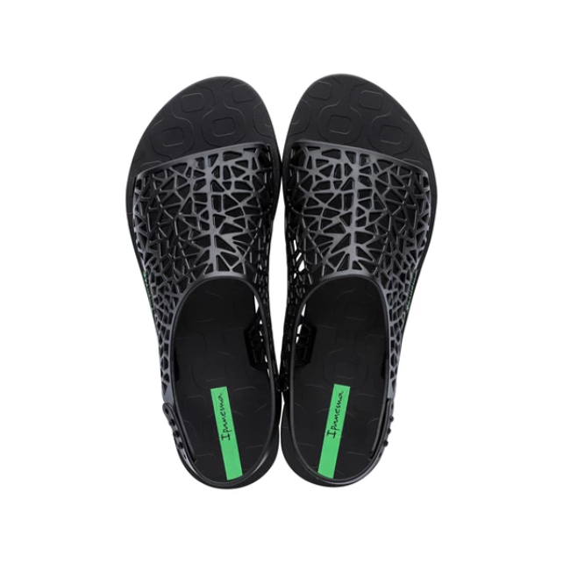 | 26679-20766 | IPANEMA SHAPE SANDAL | 5,413 Ft | 12,991 Ft | 54
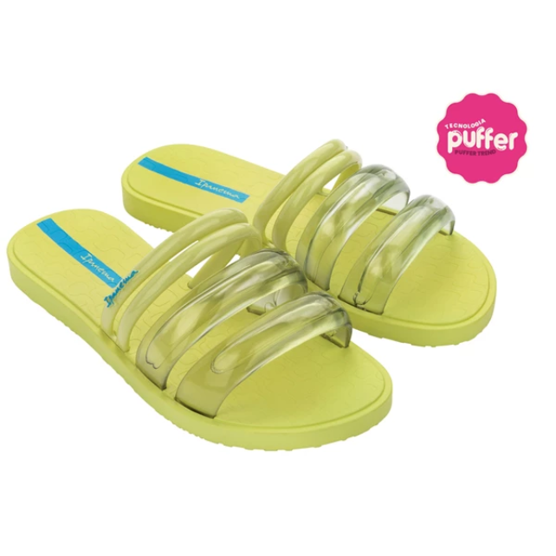 | 26727-AQ184 | IPANEMA PUFFER SLIDE | 5,413 Ft | 12,991 Ft | 12
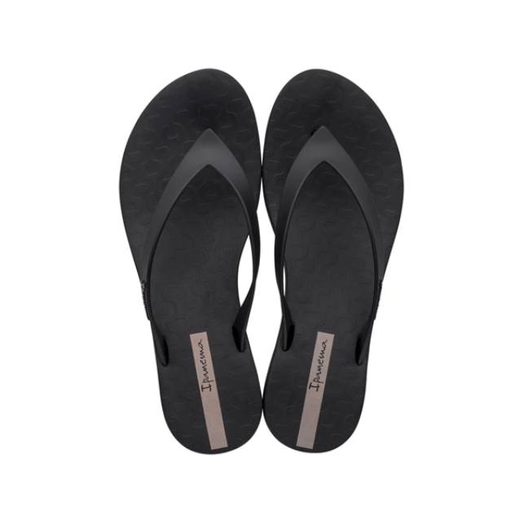 | 26748-20766 | IPANEMA SELFIE FEM | 6,246 Ft | 14,990 Ft | 24
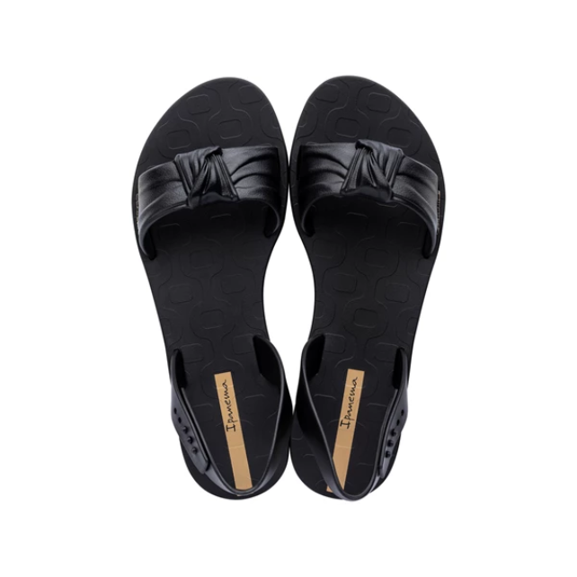 | 26777-20766 | IPANEMA GO NOW FEM | 4,579 Ft | 10,990 Ft | 12
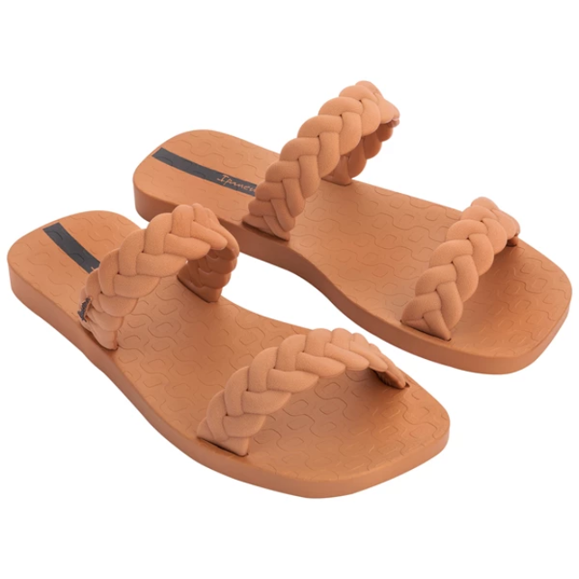 | 26826-AF000 | IPANEMA FEVER SLIDE | 4,996 Ft | 11,990 Ft | 12
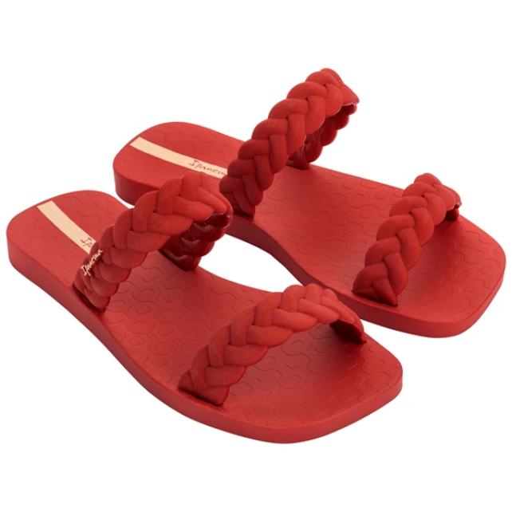 | 26826-AF001 | IPANEMA FEVER SLIDE | 4,996 Ft | 11,990 Ft | 24
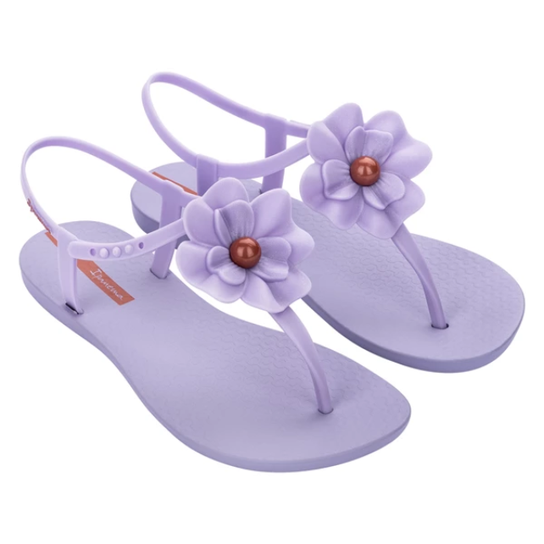 | 26845-AF380 | IPANEMA CLASS FLORA | 5,413 Ft | 12,991 Ft | 12
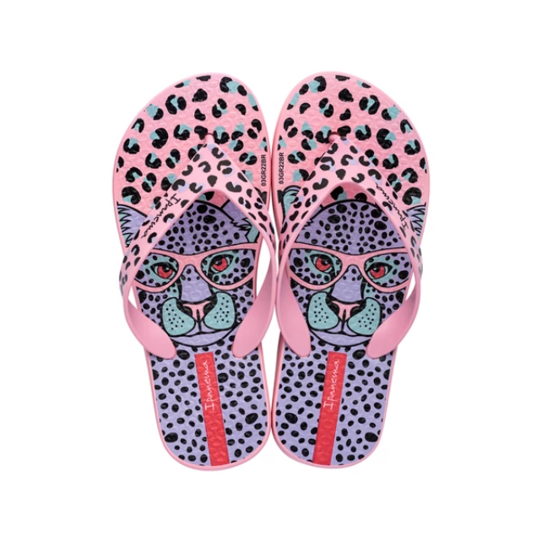 | 26851-AF799 | IPANEMA SAFARI FUN K | 3,746 Ft | 8,990 Ft | 47
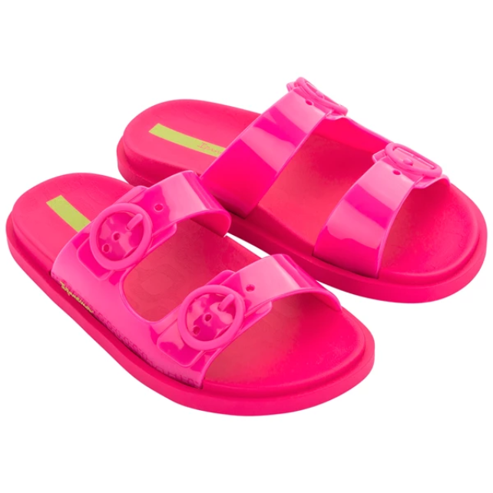 | 26855-AG019 | IPANEMA FOLLOW KIDS | 4,996 Ft | 11,990 Ft | 34
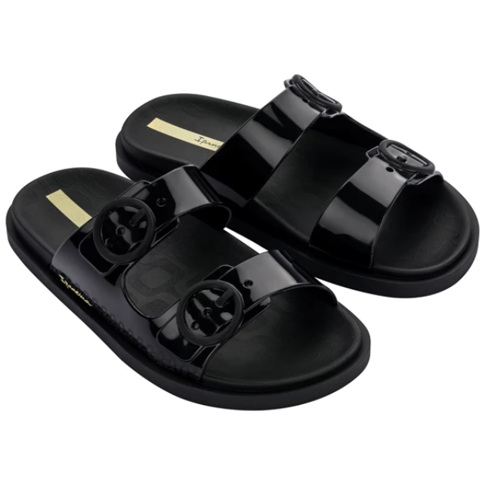 | 26855-AG020 | IPANEMA FOLLOW KIDS | 4,996 Ft | 11,990 Ft | 72
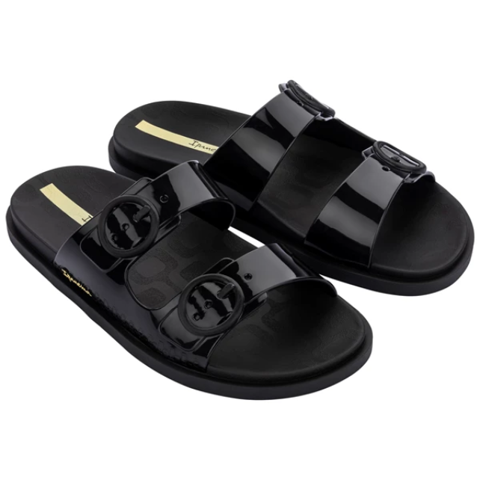 | 26877-AF994 | IPANEMA FOLLOW FEM | 5,829 Ft | 13,990 Ft | 20
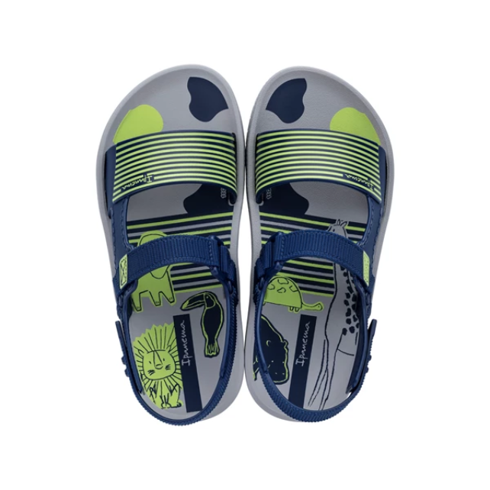 | 26883-AD244 | IPANEMA RECREIO PAPE | 4,996 Ft | 11,990 Ft | 24
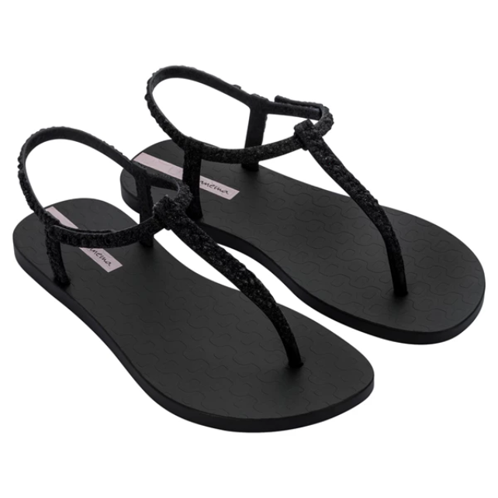 | 26914-AI193 | IPANEMA CLASS BRILHA | 6,246 Ft | 14,990 Ft | 12
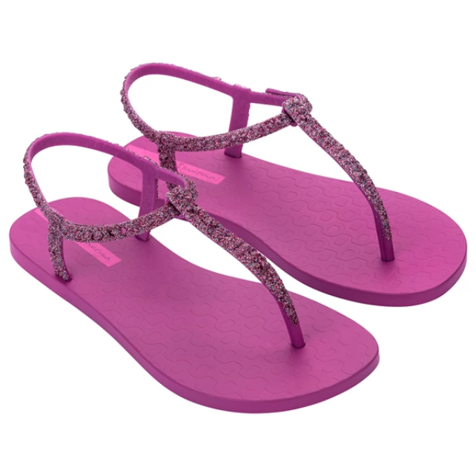 | 26914-BD648 | IPANEMA CLASS BRILHA | 6,246 Ft | 14,990 Ft | 12
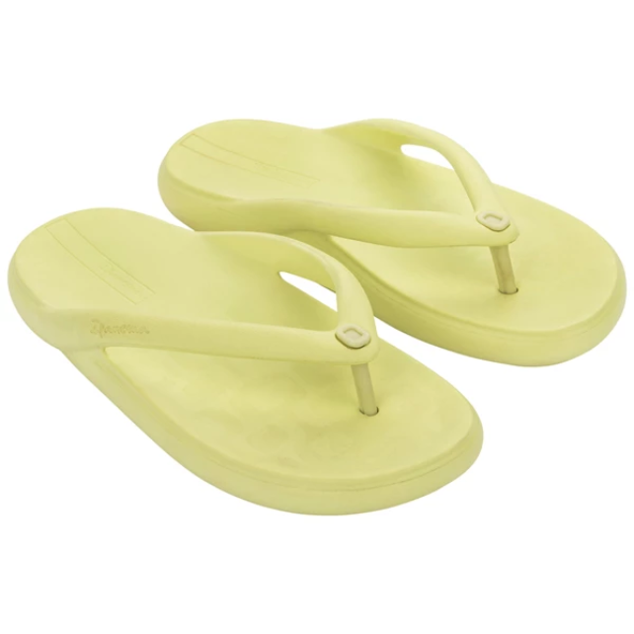 | 26947-AK919 | IPANEMA BLISS FEM | 5,829 Ft | 13,990 Ft | 12
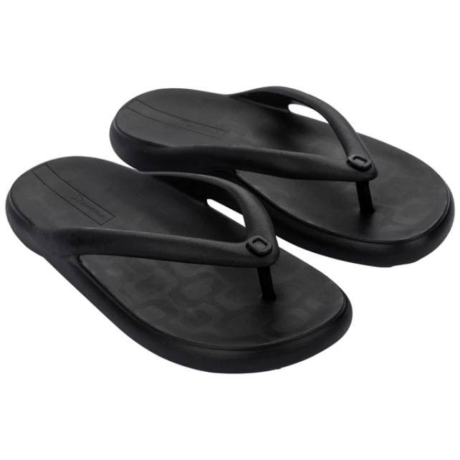 | 26947-AK923 | IPANEMA BLISS FEM | 5,829 Ft | 13,990 Ft | 12
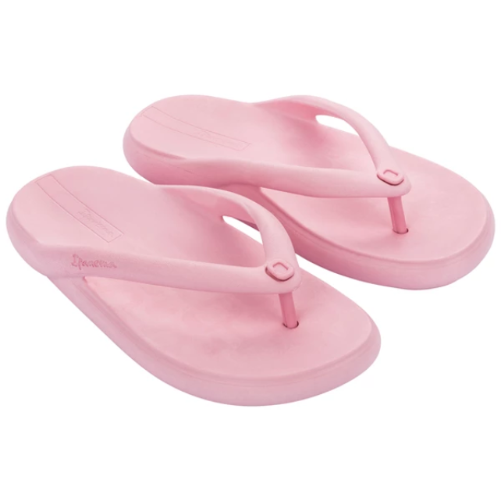 | 26947-AK925 | IPANEMA BLISS FEM | 5,829 Ft | 13,990 Ft | 24
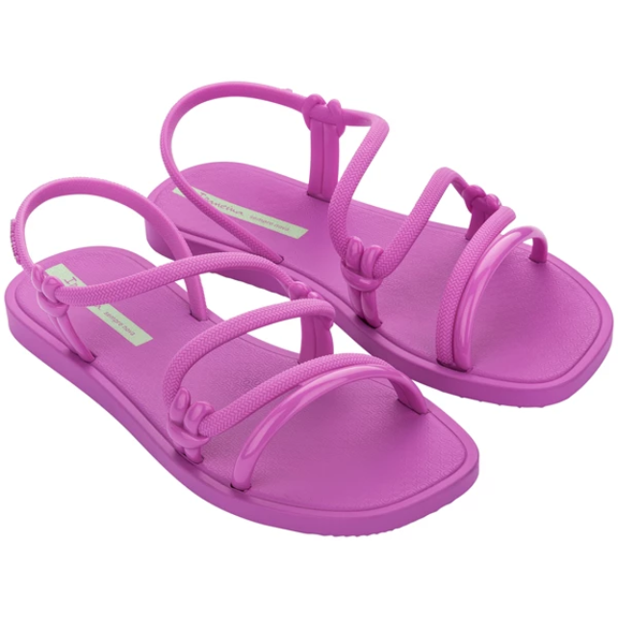 | 26983-AK625 | IPANEMA SOLAR SANDAL | 5,413 Ft | 12,991 Ft | 12
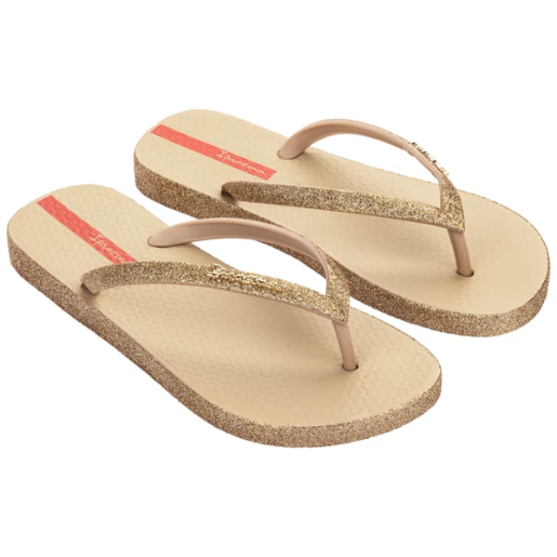 | 27000-AK784 | IPANEMA MAXI GLOW FE | 4,996 Ft | 11,990 Ft | 12
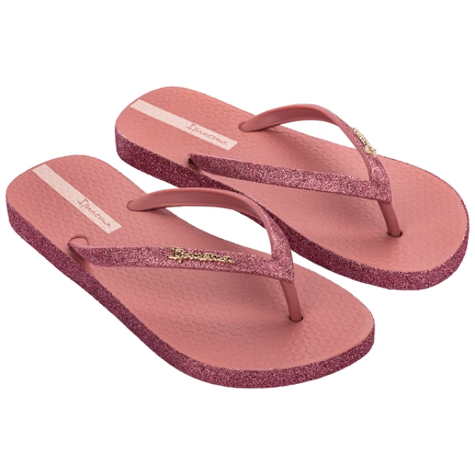 | 27000-AK785N | IPANEMA MAXI GLOW FE | 5,413 Ft | 12,991 Ft | 12
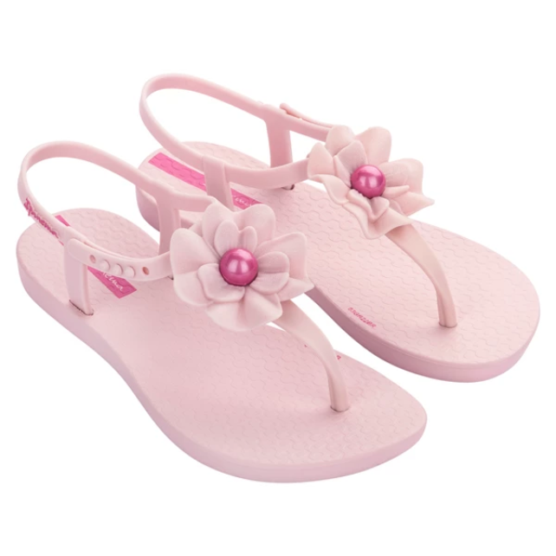 | 27018-AH272 | IPANEMA CLASS FLORA | 4,996 Ft | 11,990 Ft | 12
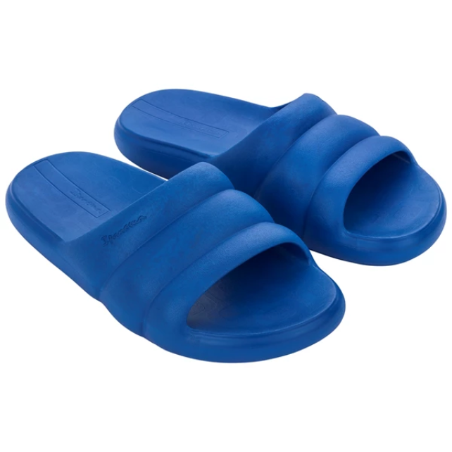 | 27022-AK914 | IPANEMA BLISS SLIDE | 5,829 Ft | 13,990 Ft | 17
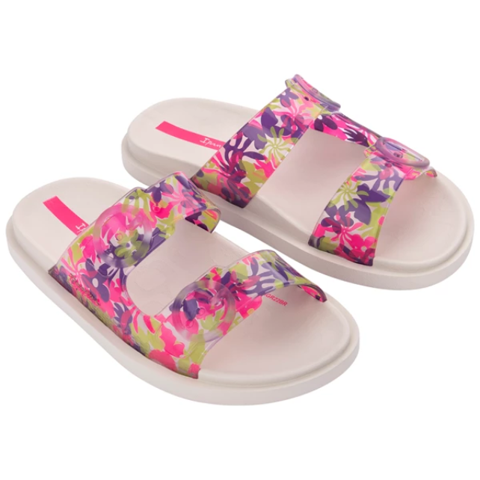 | 27029-AJ312 | IPANEMA FOLLOW PRINT | 5,413 Ft | 12,991 Ft | 24
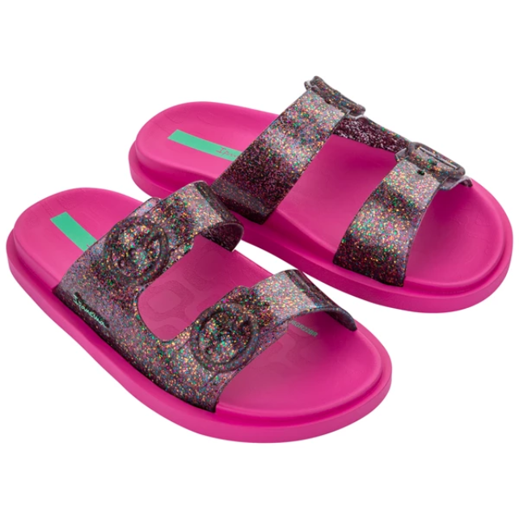 | 27029-AJ313 | IPANEMA FOLLOW PRINT | 5,413 Ft | 12,991 Ft | 12
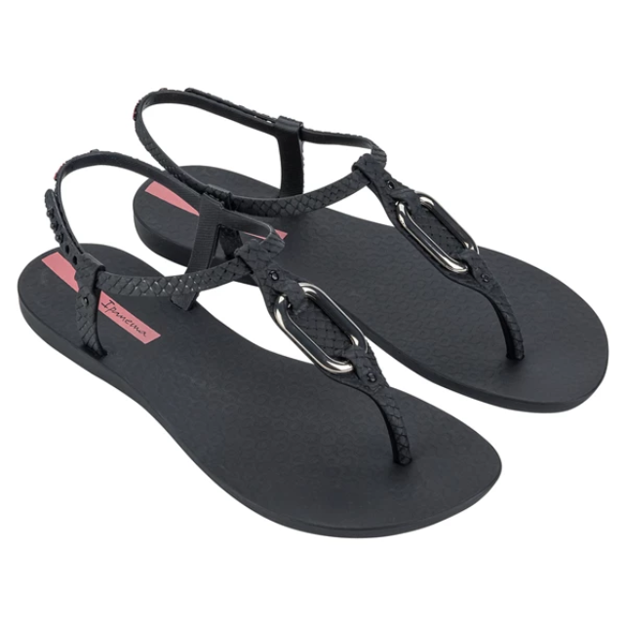 | 27110-BA176 | IPANEMA CLASS LINEA | 4,996 Ft | 11,990 Ft | 14
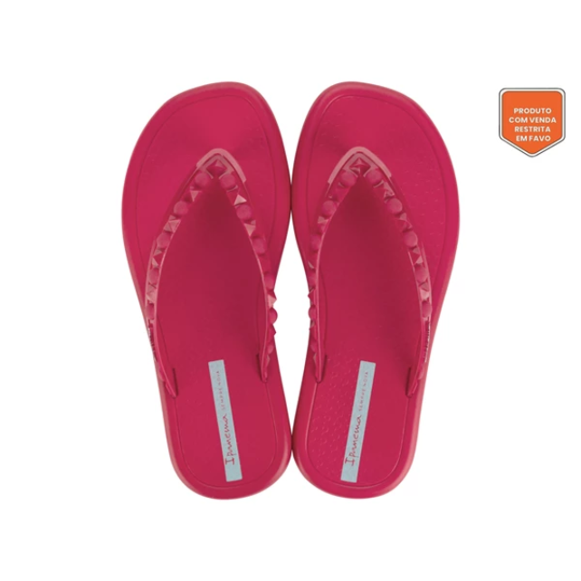 | 27130-AV464 | IPANEMA MEU SOL THON | 3,329 Ft | 7,990 Ft | 114
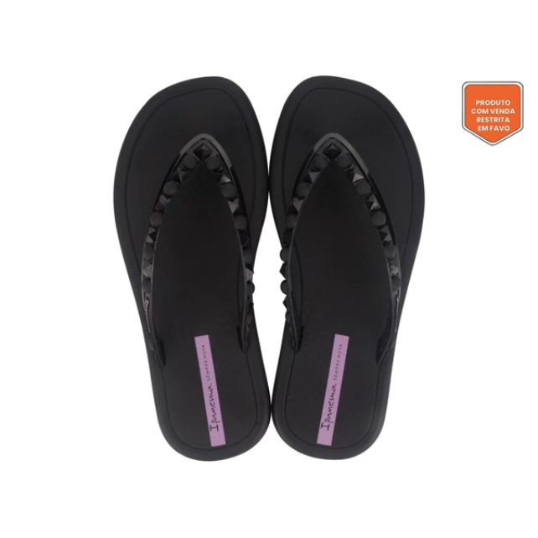 | 27130-AV465 | IPANEMA MEU SOL THON | 3,329 Ft | 7,990 Ft | 170
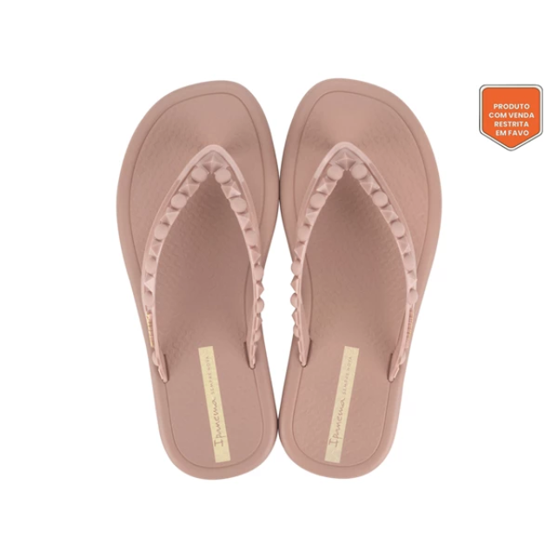 | 27130-AV467 | IPANEMA MEU SOL THON | 3,329 Ft | 7,990 Ft | 33
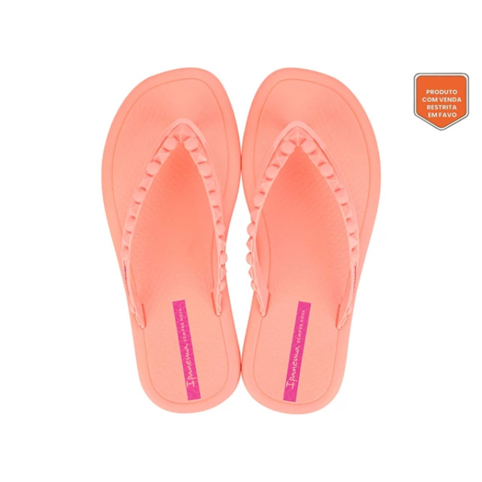 | 27130-AV472 | IPANEMA MEU SOL THON | 3,329 Ft | 7,990 Ft | 143
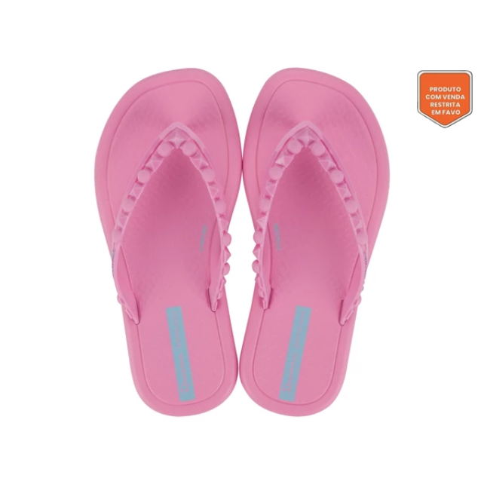 | 27131-AV632 | IPANEMA MEU SOL KIDS | 2,913 Ft | 6,991 Ft | 12
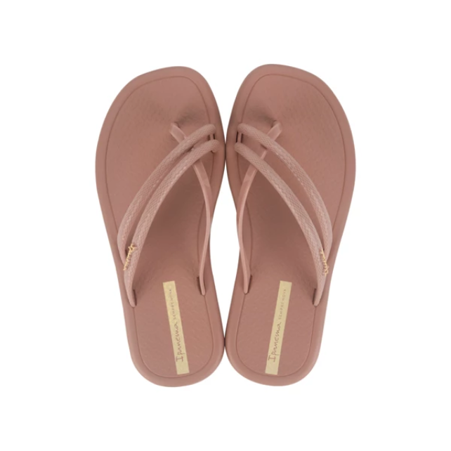 | 27133-AV908 | IPANEMA MEU SOL THON | 3,746 Ft | 8,990 Ft | 34
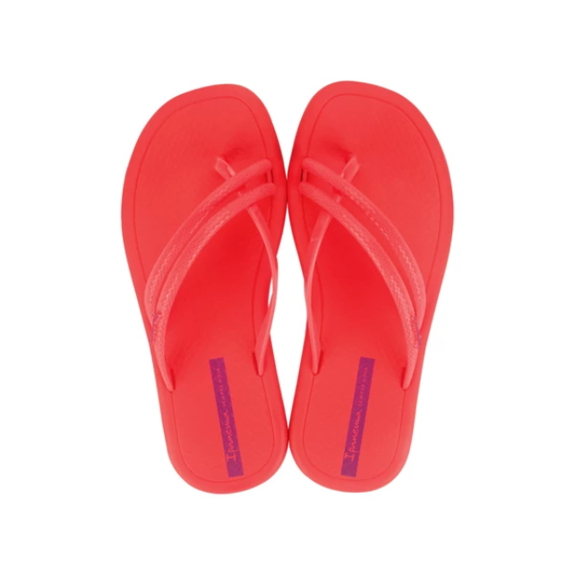 | 27133-AV913 | IPANEMA MEU SOL THON | 3,746 Ft | 8,990 Ft | 34
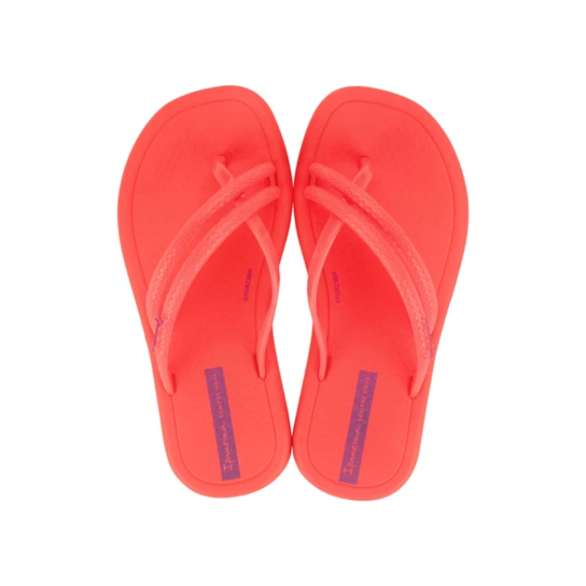 | 27134-AV935 | IPANEMA MEU SOL RAST | 3,329 Ft | 7,990 Ft | 12
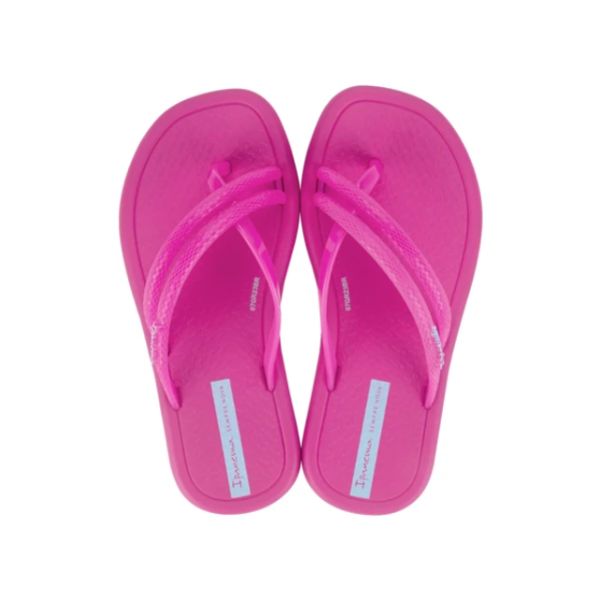 | 27134-AV936 | IPANEMA MEU SOL RAST | 3,329 Ft | 7,990 Ft | 12
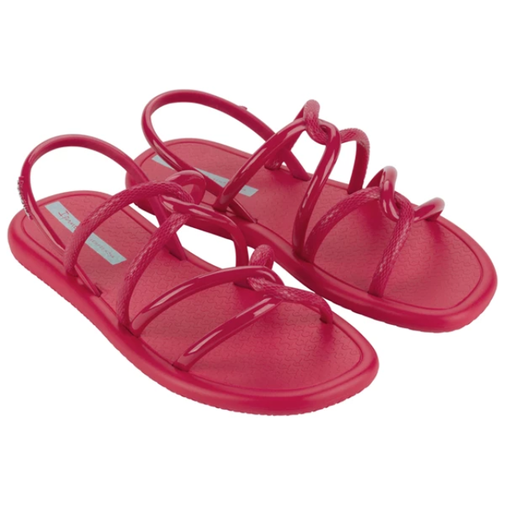 | 27135-AV558 | IPANEMA MEU SOL SAND | 4,163 Ft | 9,991 Ft | 126
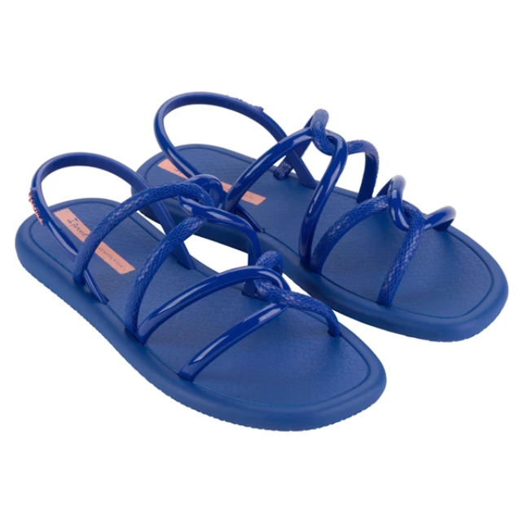 | 27135-AV563 | IPANEMA MEU SOL SAND | 4,163 Ft | 9,991 Ft | 12
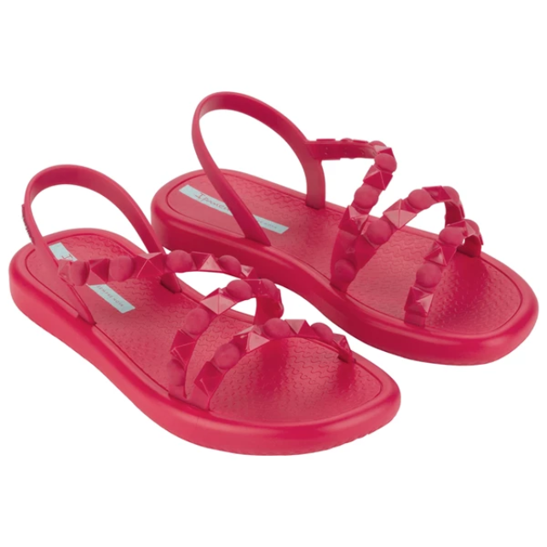 | 27148-AV839 | IPANEMA MEU SOL FLAT | 4,996 Ft | 11,990 Ft | 209
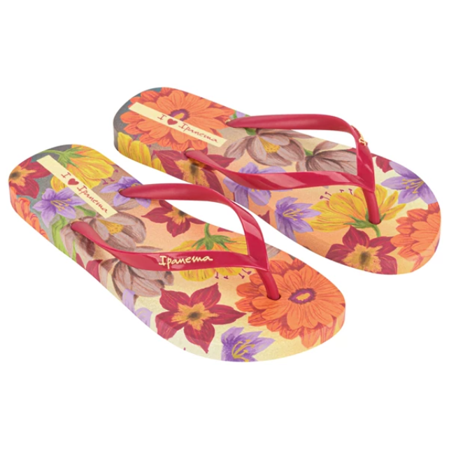 | 27197-BB263 | IPANEMA VERAO TROPIC | 4,579 Ft | 10,990 Ft | 12
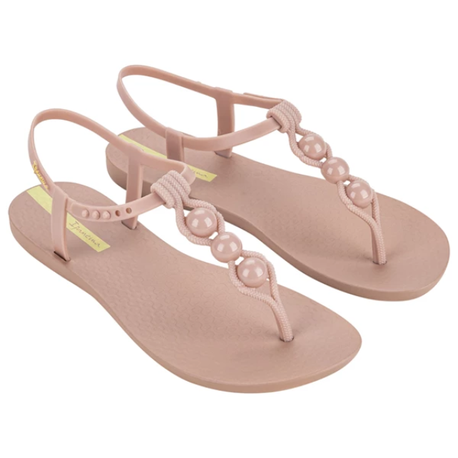 | 27209-BC512 | IPANEMA CLASS CONECT | 4,163 Ft | 9,991 Ft | 60
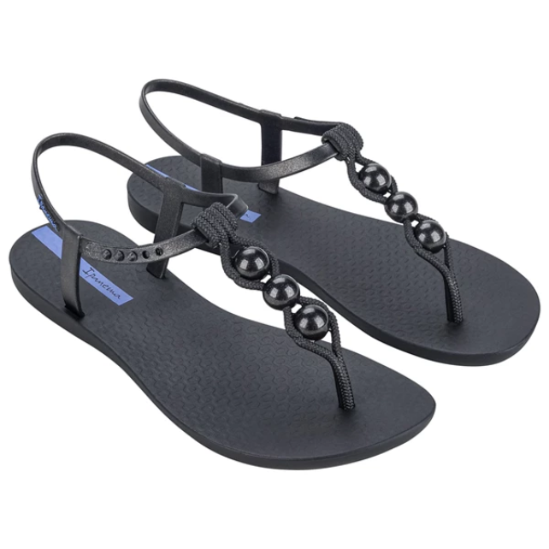 | 27209-BC514 | IPANEMA CLASS CONECT | 4,163 Ft | 9,991 Ft | 12
 | 27214-BC274 | IPANEMA SENSE SLIDE | 4,996 Ft | 11,990 Ft | 130
 | 27214-BC402 | IPANEMA SENSE SLIDE | 4,996 Ft | 11,990 Ft | 97
 | 27230-BG781 | IPANEMA DIVERSA AD | 3,329 Ft | 7,990 Ft | 74
 | 27230-BG782 | IPANEMA DIVERSA AD | 3,329 Ft | 7,990 Ft | 19
 | 27238-BH328 | IPANEMA DIVERSA FLAT | 5,829 Ft | 13,990 Ft | 12
 | 27238-BH330 | IPANEMA DIVERSA FLAT | 5,829 Ft | 13,990 Ft | 36
 | 27262-BG086 | IPANEMA WALK SLIDE F | 5,413 Ft | 12,991 Ft | 163
 | 27262-BG087 | IPANEMA WALK SLIDE F | 5,413 Ft | 12,991 Ft | 148
 | 27286-BB954 | IPANEMA SOLAR GLOW S | 5,413 Ft | 12,991 Ft | 12
 | 27286-BB955 | IPANEMA SOLAR GLOW S | 5,413 Ft | 12,991 Ft | 24
 | 27286-BB956 | IPANEMA SOLAR GLOW S | 5,413 Ft | 12,991 Ft | 12
 | 27286-BB957 | IPANEMA SOLAR GLOW S | 5,413 Ft | 12,991 Ft | 36
 | 80408-AI769 | IPANEMA CLAS BRASIL | 3,329 Ft | 7,990 Ft | 25
 | 80408-AR829 | IPANEMA CLAS BRASIL | 3,329 Ft | 7,990 Ft | 48
 | 80408-BB595 | IPANEMA CLAS BRASIL | 3,329 Ft | 7,990 Ft | 48
 | 81030-BB620 | IPANEMA ANATOMICA TA | 3,329 Ft | 7,990 Ft | 12
 | 81030-BB623 | IPANEMA ANATOMICA TA | 3,329 Ft | 7,990 Ft | 12
 | 81030-BB624 | IPANEMA ANATOMICA TA | 3,329 Ft | 7,990 Ft | 20
 | 81997-22460 | IPANEMA MY FIRST IPA | 3,746 Ft | 8,990 Ft | 71
 | 81997-25854 | IPANEMA MY FIRST IPA | 3,746 Ft | 8,990 Ft | 192
 | 81997-AR873 | IPANEMA MY FIRST IPA | 3,746 Ft | 8,990 Ft | 35
 | 81997-BC815 | MY FIRST IPANEMA BAB | 3,329 Ft | 7,990 Ft | 24
 | 81997-BC818 | MY FIRST IPANEMA BAB | 3,329 Ft | 7,990 Ft | 48
 | 82067-AQ497 | IPANEMA BOSSA FEM | 3,746 Ft | 8,990 Ft | 60
 | 82067-BC620 | IPANEMA BOSSA FEM | 3,746 Ft | 8,990 Ft | 60
 | 82429-AJ079 | IPANEMA VIBE SANDAL | 5,829 Ft | 13,990 Ft | 22
 | 82429-BD399 | IPANEMA VIBE SANDAL | 6,246 Ft | 14,990 Ft | 112
 | 82429-BD417 | IPANEMA VIBE SANDAL | 6,246 Ft | 14,990 Ft | 12
 | 82429-BD418 | IPANEMA VIBE SANDAL | 6,246 Ft | 14,990 Ft | 130
 | 82591-AG368 | IPANEMA ANAT COLORS | 2,913 Ft | 6,991 Ft | 12
 | 82591-BD660 | IPANEMA ANAT COLORS | 3,329 Ft | 7,990 Ft | 24
 | 82598-20697 | IPANEMA MAXI FASHION | 4,163 Ft | 9,991 Ft | 36
 | 82598-20728 | IPANEMA MAXI FASHION | 4,163 Ft | 9,991 Ft | 23
 | 82598-20819 | IPANEMA MAXI FASHION | 4,163 Ft | 9,991 Ft | 47
 | 82629-BC566 | IPANEMA ANATOMIC LAP | 4,163 Ft | 9,991 Ft | 12
 | 82840-AG720 | IPANEMA BOSSA SOFT V | 4,163 Ft | 9,991 Ft | 36
 | 82840-BB559 | IPANEMA BOSSA SOFT V | 4,163 Ft | 9,991 Ft | 24
 | 82842-21112 | IPANEMA FASHION SAND | 4,579 Ft | 10,990 Ft | 12
 | 82883-22506 | IPANEMA CLASSIC IX K | 2,496 Ft | 5,990 Ft | 12
 | 82883-25545 | IPANEMA CLASSIC IX K | 2,496 Ft | 5,990 Ft | 24
 | 82927-21683 | IPANEMA BARBIE KIDS | 2,913 Ft | 6,991 Ft | 23
 | 82930-20354 | IPANEMA CLASS CHARM | 4,163 Ft | 9,991 Ft | 23
 | 82931-23266 | IPANEMA CLASS WISH I | 4,996 Ft | 11,990 Ft | 12
 | 82932-AR850 | IPANEMA ANAT BRASILI | 4,163 Ft | 9,991 Ft | 35
 | 83081-23525 | IPANEMA TEMAS IX KID | 2,496 Ft | 5,990 Ft | 12
 | 83140-20780 | IPANEMA ANAT LOLITA | 4,996 Ft | 11,990 Ft | 12
 | 83144-01003 | IPANEMA SUMMER F BAG | 8,329 Ft | 19,990 Ft | 5
 | 83144-01369 | IPANEMA SUMMER F BAG | 8,329 Ft | 19,990 Ft | 8
 | 83144-AG052 | IPANEMA SUMMER F BAG | 8,329 Ft | 19,990 Ft | 12
 | 83177-20197 | IPANEMA MESH IV KIDS | 3,329 Ft | 7,990 Ft | 12
 | 83177-20354 | IPANEMA MESH IV KIDS | 3,329 Ft | 7,990 Ft | 24
 | 83177-20766 | IPANEMA MESH IV KIDS | 3,329 Ft | 7,990 Ft | 48
 | 83180-20492 | IPANEMA FASHION SAND | 4,163 Ft | 9,991 Ft | 48
 | 83187-20234 | IPANEMA URBAN III SL | 3,746 Ft | 8,990 Ft | 12
 | 83189-21029 | IPANEMA MY FIRST IPA | 3,746 Ft | 8,990 Ft | 24
 | 83200-23501 | IPANEMA SANDAL KIDS | 4,579 Ft | 10,990 Ft | 35
 | 83201-20197 | IPANEMA CLASS WISH K | 4,579 Ft | 10,990 Ft | 12
 | 83203-24080 | IPANEMA CLASS CHARM | 4,163 Ft | 9,991 Ft | 12
 | 83204-20880 | IPANEMA CLASS GLOW K | 4,579 Ft | 10,990 Ft | 84
 | 83204-21720 | IPANEMA CLASS GLOW K | 4,579 Ft | 10,990 Ft | 23
 | 83204-24021 | IPANEMA CLASS GLOW K | 4,579 Ft | 10,990 Ft | 83
 | 83231-23495 | IPANEMA UNISEX SLIDE | 4,163 Ft | 9,991 Ft | 12
 | 83243-AS021 | IPANEMA RENDA II FEM | 4,163 Ft | 9,991 Ft | 69
 | 83243-AS026 | IPANEMA RENDA II FEM | 4,163 Ft | 9,991 Ft | 96
 | 83243-AS029 | IPANEMA RENDA II FEM | 4,163 Ft | 9,991 Ft | 24
 | 83243-BC847 | IPANEMA RENDA II FEM | 4,163 Ft | 9,991 Ft | 48
 | 83243-BC853 | IPANEMA RENDA II FEM | 4,163 Ft | 9,991 Ft | 36
 | 83325-AI823 | IPANEMA ANAT NATURE | 3,746 Ft | 8,990 Ft | 16
 | 83326-AI891 | IPANEMA ANAT CACTUS | 3,746 Ft | 8,990 Ft | 60
 | 83347-AJ482 | IPANEMA CLASSIC XI K | 2,913 Ft | 6,991 Ft | 12
 | 83347-AJ484 | IPANEMA CLASSIC XI K | 2,913 Ft | 6,991 Ft | 24
 | 83347-AJ487 | IPANEMA CLASSIC XI K | 2,913 Ft | 6,991 Ft | 24
 | 83348-AI739 | IPANEMA TEMAS XI KID | 2,913 Ft | 6,991 Ft | 48
 | 83348-AI740 | IPANEMA TEMAS XI KID | 2,913 Ft | 6,991 Ft | 36
 | 83348-AI744 | IPANEMA TEMAS XI KID | 2,913 Ft | 6,991 Ft | 22
 | 83348-AI746 | IPANEMA TEMAS XI KID | 2,913 Ft | 6,991 Ft | 24
 | 83349-AH859 | IPANEMA URBAN IV SLI | 4,163 Ft | 9,991 Ft | 22
 | 83355-AH423 | IPANEMA DAISY BABY | 3,746 Ft | 8,990 Ft | 22
 | 83355-BC652 | IPANEMA DAISY BABY | 3,329 Ft | 7,990 Ft | 12
 | 83355-BC653 | IPANEMA DAISY BABY | 3,329 Ft | 7,990 Ft | 84
 | 83385-AJ184 | IPANEMA BOSSA SOFT C | 4,579 Ft | 10,990 Ft | 12
 | 83385-AJ188 | IPANEMA BOSSA SOFT C | 4,579 Ft | 10,990 Ft | 12
 | 83385-AJ190 | IPANEMA BOSSA SOFT C | 4,579 Ft | 10,990 Ft | 12
 | 83386-BD738 | IPANEMA MESH CHIC PL | 6,246 Ft | 14,990 Ft | 12
 | 83415-AG932 | IPANEMA CLASS UNA FE | 4,996 Ft | 11,990 Ft | 36
 | 83423-AI970 | IPANEMA COLORE FEM | 9,163 Ft | 21,991 Ft | 12
 | 83468-AP100 | IPANEMA ANIMALE PRIN | 4,163 Ft | 9,991 Ft | 47
 | 83468-AP107 | IPANEMA ANIMALE PRIN | 4,163 Ft | 9,991 Ft | 12
 | 83469-AO917 | IPANEMA ANAT TEMAS | 3,329 Ft | 7,990 Ft | 24
 | 83469-AO919 | IPANEMA ANAT TEMAS | 3,329 Ft | 7,990 Ft | 12
 | 83469-AO924 | IPANEMA ANAT TEMAS | 3,329 Ft | 7,990 Ft | 24
 | 83470-AO899 | IPANEMA CLASSIC XII | 2,913 Ft | 6,991 Ft | 24
 | 83470-AP229 | IPANEMA CLASSIC XII | 2,913 Ft | 6,991 Ft | 12
 | 83470-AP230 | IPANEMA CLASSIC XII | 2,913 Ft | 6,991 Ft | 24
 | 83474-AQ917 | IPANEMA URBAN V SLID | 4,163 Ft | 9,991 Ft | 12
 | 83474-AQ918 | IPANEMA URBAN V SLID | 4,163 Ft | 9,991 Ft | 24
 | 83475-AJ405 | IPANEMA ANAT CONNECT | 3,329 Ft | 7,990 Ft | 12
 | 83475-AR104 | IPANEMA ANAT CONNECT | 3,329 Ft | 7,990 Ft | 12
 | 83475-AR106 | IPANEMA ANAT CONNECT | 3,329 Ft | 7,990 Ft | 21
 | 83477-AR047 | IPANEMA DAISY II BAB | 3,746 Ft | 8,990 Ft | 12
 | 83477-AR048 | IPANEMA DAISY II BAB | 3,746 Ft | 8,990 Ft | 12
 | 83484-AR936 | IPANEMA TEMAS XIV KI | 2,913 Ft | 6,991 Ft | 36
 | 83484-AR937 | IPANEMA TEMAS XIV KI | 2,913 Ft | 6,991 Ft | 48
 | 83507-AQ976 | IPANEMA CLASS BLOWN | 6,246 Ft | 14,990 Ft | 23
...

